Sheet1
Truck Specification and Fee

Item | Truck Description | Truck Weight (Ton) | Charge Rate | Load Status | KM Cover | Worker per Load | Commision Agree | Accessing | Remark
1 | 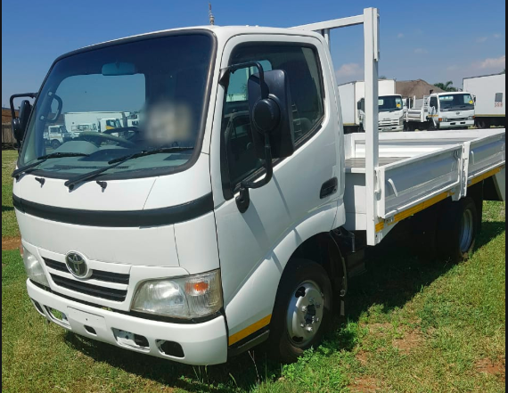 Truck | 1 | $35.00 | Full Load | 7 to 10 | $10.00 | 15% | 24/7 in City | In City
2 |  | 1.5 | $40.00 | Full Load | 7 to 10 | $10.00 | 15% | 24/7 in City | In City
3 |  | 2 | $45.00 | Full Load | 7 to 10 | $10.00 | 15% | Night only | In City
4 |  | 1/1.5 | 1$/km | Full Load | Base on km | $10.00 | 15% | Full access | Province
5 |  | 2 | 1.5$/km | Full Load | Base on km | $10.00 | 15% | Full access | Province
6 |  | 3/5/8 | 2$/km | Full Load | Base on km | $10.00 | 15% | Full access | Province
7 | Truck with Crone | 2.5 | $70.00 | Single Load | 7 to 10 | $10.00 | 15% | Night only | In City
8 |  | 3 | $80.00 | Single Load | 7 to 10 | $10.00 | 15% | Night only | In City
9 |  | 5 | $100.00 | Single Load | 7 to 10 | $10.00 | 15% | Night only | In City
10 | Sewage Truck | 1/3/5/8 | $65.00 | Single Time | 7 to 10 | $10.00 | 15% | Full access | In City
11 | Moto Remok |  | $25.00 | Full Load | 7 to 10 | $10.00 | 15% | Full access | In City

